Overview
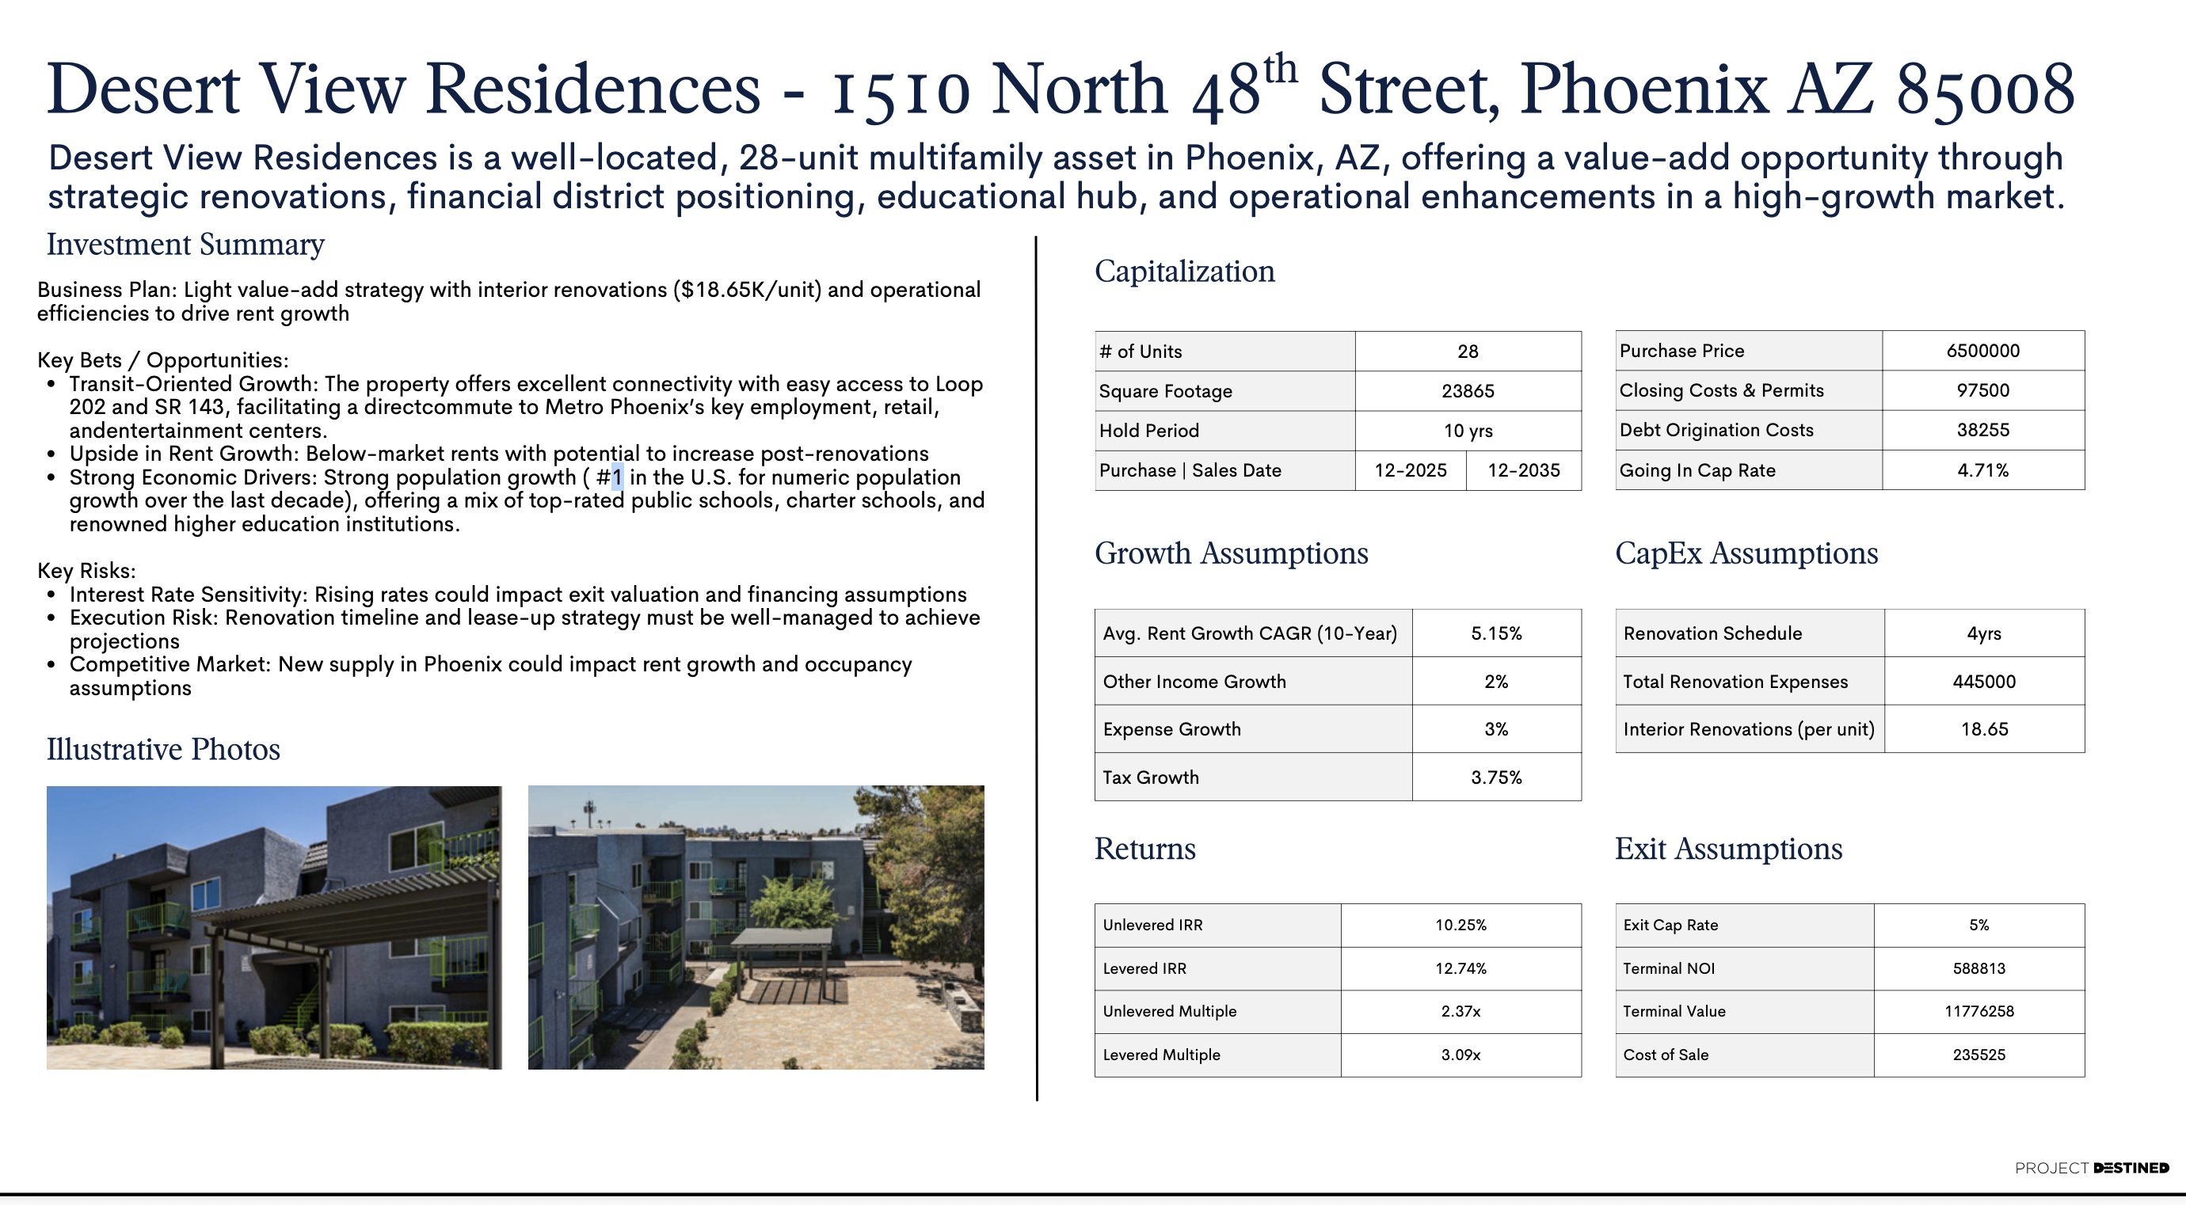
Prepared and presented by: Shaira Katuwal, PE RealEstate Intern at Project Destined

